Skizze
roller shutter conventionally with separate supporting angles

Bearing fixation upwards = O |  |  |  |  |  | to the outside = A |  |  | to the inside = I |  |  |  |  | downwards = U
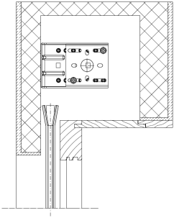
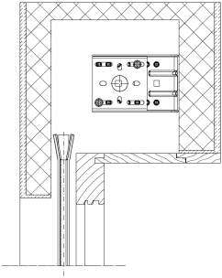
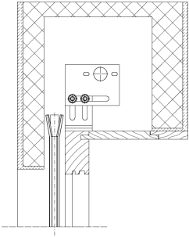
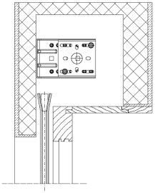
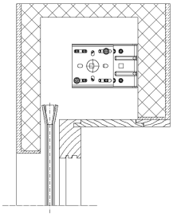
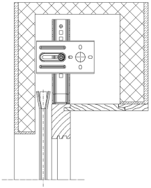

 |  |  |  |  |  | niche gearbox |  |  | niche Motor |  |  |  |  | niche without gear
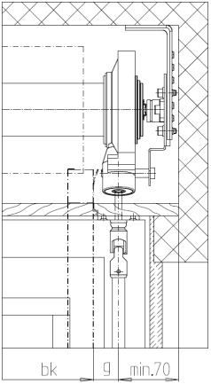
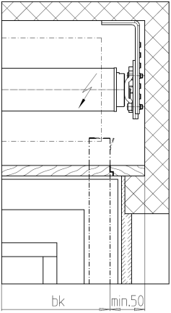
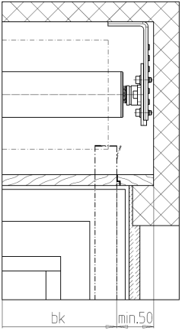

guide seperations in case of blinds mounted next to each other (with separate supporting angles)

roller shutter FIXED

Installation - Model 1 |  |  |  | Installation - Model 2 |  |  | Installation - Model 3 |  |  |  |  |  | niche gearbox │ without gear/Motor
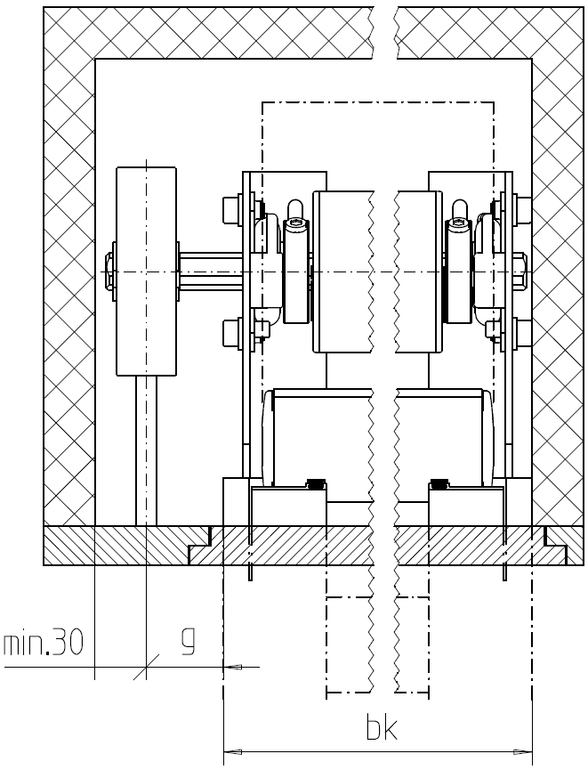

guide seperations in case of blinds mounted next to each other (FIXED)

technical data
bar length RL/SRL (without end cap): |  |  | roller dimension: |  |  |  |  | roller length: |  |  |  | guide dimension:
conventionally | bk - 25 | mm | conventionally / FIXED |  |  | Ø63 | mm | conventionally + Motor |  | bk + 10 | mm | conv. + bk ≤ 2.5m |  |  | 30 | mm
conv. with telescopic arm | bk - 31 | mm |  |  |  |  |  | conv. + gearbox |  | bk + g + 30 | mm | conv. + bk > 2.5m |  |  | 40 | mm
FIXED | bk - 39 | mm |  |  |  |  |  | FIXED + Motor |  | bk - 100 | mm | FIXED |  |  | 40 | mm
FIXED with telescopic arm | bk - 45 | mm | huge bk (e.g. bk > 3.5m + weight > 17kg) |  |  | Ø78 | mm | FIXED + gearbox |  | bk - 150 | mm
Copyright by SSAG / gcp |  |  |  |  | Intranet/Massaufnahmeformulare Schenker/MF_RL_P4000_P4001_P4002_P4004 |  |  |  |  |  |  |  |  |  |  |  | 30.10.2017/AX Ver. 3

 |  |  |  |  |  |  |  |  |  |  |  |  |  |  |  |  |  |  | 0

 |  |  |  |  |  |  |  |  |  |  |  |  |  |  |  |  |  | 0

